1. Title Page
[Instacart Basket]

Project Name: Instacart Anaylsis
Date: January 5, 2024
Analyst Name: Nehma Al-Tawil

Data Citation:
The Instacart Online Grocery Shopping Dataset 2017
Accessed from www.instacart.com/datasets/grocery-shopping-2017 via Kaggle on December 2023.

2. Population Flow
Title page

Population flow

Exclusion flag
Condition: max_order < 5
Obervations to be removed: 1,440,295
Final total count of order_products_all: 30,964,564

Orders_products_combined
Orders_products_merged
Orders_products_all

Total:32,404,859
Total: 32,434,489
Total:
32,404,859

1.) The grey boxes in the first row of the population flow represent the original data sets as they were when you downloaded them. In the Total fields you need to add the count of the rows when you imported the data set into Jupyter.
2.) The second row of boxes (coloured) represents the data sets after you manipulated them, e.g., removed missing values and duplicates. In the Total fields you need to add the count of the rows after conducting these operations. This offers a visual oveview of how the data flows throughout the data consistency checks.
3.) The third row, where also the arrows are coloured, represents the merges you performed between the datasets. In the Total fields you need to add the count of the rows in the merged datasets, so that you end up with the final dataset (in the red box). Keep in mind the final dataset should be without exclusions (based on the exclusion flag).

3. Consistency checks
 |  |  |  | Title page
Consistency checks

Dataset | Missing values | Missing values treatment | Duplicates
orders | 206,209 missing values from days_since_prior_order column. | Missing values are indicative of customers who have only placed on order. This is useful information and so no action is taken. This data was checked using crosstabs. | None
products | 16 missing product names | excluded by creating subset 'df_prods_clean' | 5 duplicate records--excluded by creating subset 'df_prods_clean_no_dups'
orders_products_prior | None | NA | None
customers | 11,259 missing first names | None, these will not affect the data analysis. | None
ords_prods_merged_flagged | 5,127 records had unexplained outliers in the prices column | These outlier values were replaces with NaN and treated as missing. | None
orders_products_all | 5,127 missing prices from outlier values changed to NaN | None, these are missing on purpose | None
orders_products_all | 2,076,096 missing 'days_since_prior_order' | None, these are customers who have not yet reordered | None

4. Wrangling steps
 |  |  |  | Title page
Wrangling steps

Columns dropped | Columns renamed | Columns' type changed | Comment/Reason
eval_set |  |  | Dropped 'eval_set' because it wasn't relevant for the analysis.
 | 'orders_dow' to 'orders_day_of_week' |  | Changed column name to be more understandable.
 |  | 'order_id' to string in orders data set | Changed data type to string to match the kind of data in the column.
 |  | 'order_number' to string in orders data set | Changed data type to string to match the kind of data in the column.
 |  | 'user_id' to string in orders data set | Changed data type to string to match the kind of data in the column.
 |  | 'user_id' to string in customers data set | Changed data type to string to match the kind of data in the column.
 |  | 'Age' to int8 in customers data set | Changed data type to int8 to save memory
 |  | 'number_of_dependents' to int8 in customers data set | Changed data type to int8 to save memory
 |  | 'First_Name' to string in customers data set | Changed a mixed-data type to string to match the kind of data in the column
 |  | 'income' to int32 in customers data set | Changed data type to int32 to save memory
 |  | 'First_Name' and 'Last_Name' removed | This is PII and was removed for privacy and securitiy

5. Column derivations
 |  |  |  | Title page

Column derivations and aggregations

In this tab you should add tables below that the frequences of flags/label variables that you produced after deriving them. NB: don't do this for continuous variables, only for flags.
Dataset | New column | Column/s it was derived from | Conditions
orders_products_merged_updated | 'price_range_loc' | 'price' | > 15 = 'High-range product' =< 15 and > 5 = 'Mid-range product' < 5 = 'Low-range product'
orders_products_merged_updated | 'busiest_days' | 'order_day_of_week' | for value in df_orders_products_merged['orders_day_of_week']: if value == 0 or value == 1: result2.append('Busiest days') elif value == 3 or value == 4: result2.append('Least busy days') else: result2.append('Regularly busy')
orders_products_merged_updated | 'busiest_period_of_day' | 'order_hour_of_day' | for value in df_orders_products_merged['order_hour_of_day']: if value == 10 or value == 11 or value == 14 or value == 15 or value == 13 or value == 12 or value == 16 or value == 9: result3.append('Most orders') elif value == 17 or value == 8 or value == 18 or value == 19 or value == 20 or value == 7 or value == 21 or value == 22: result3.append('Average orders') else: result3.append('Fewest orders')
ords_prods_merged_flagged | 'max_order' | 'order_number' | The highest order number for each customer ['order_number'].transform(np.max)
ords_prods_merged_flagged | 'loyalty_flag' | 'max_order' | ords_prods_merge.loc[ords_prods_merge['max_order'] > 40, 'loyalty_flag'] = 'Loyal customer' ords_prods_merge.loc[(ords_prods_merge['max_order'] <= 40) & (ords_prods_merge['max_order'] > 10), 'loyalty_flag'] = 'Regular customer' ords_prods_merge.loc[ords_prods_merge['max_order'] <= 10, 'loyalty_flag'] = 'New customer'
ords_prods_merged_flagged | 'mean_order_price' | 'price' | The mean order price amount for each customer ['price'].transforms(np.mean)
ords_prods_merged_flagged | 'spending_flag' | 'mean_order_price' | ords_prods_merge.loc[ords_prods_merge['mean_order_price'] < 10, 'spending_flag'] = 'Low spender' ords_prods_merge.loc[ords_prods_merge['mean_order_price'] >= 10, 'spending_flag'] = 'High spender'
ords_prods_merged_flagged | 'mean_days_since_prior_order' | 'days_since_prior_order' | The mean number of days between each customer's orders ['days_since_prior_order'].transform(np.mean)
ords_prods_merged_flagged | 'regularity_flag' | 'mean_days_since_prior_order' | ords_prods_merge.loc[ords_prods_merge['mean_days_since_prior_order'] > 20, 'regularity_flag'] = 'Non-frequent customer' ords_prods_merge.loc[(ords_prods_merge['mean_days_since_prior_order'] > 10) & (ords_prods_merge['mean_days_since_prior_order'] <=20), 'regularity_flag'] = 'Regular customer' ords_prods_merge.loc[ords_prods_merge['mean_days_since_prior_order'] <= 10, 'regularity_flag'] = 'Frequent customer'
orders_products_all | 'Region' | 'State' | result = [] for value in df['State']: if value in ('Maine', 'New Hampshire', 'Vermont', 'Massachusetts', 'Rhode Island', 'Connecticut', 'New York', 'Pennsylvania', 'New Jersey'): result.append('Northeast') elif value in ('Wisconsin', 'Michigan', 'Illinois', 'Indiana', 'Ohio', 'North Dakota' , 'South Dakota', 'Nebraska', 'Kansas', 'Minnesota', 'Iowa', 'Missouri'): result.append('Midwest') elif value in ('Delaware', 'Maryland', 'District of Columbia', 'Virginia', 'West Virginia', 'North Carolina', 'South Carolina', 'Georgia', 'Florida', 'Kentucky', 'Tennessee', 'Mississippi', 'Alabama', 'Oklahoma', 'Texas', 'Arkansas', 'Louisiana'): result.append('South') elif value in ('Idaho', 'Montana', 'Wyoming', 'Nevada', 'Utah', 'Colorado', 'Arizona', 'New Mexico', 'Alaska', 'Washington', 'Oregon', 'California', 'Hawaii'): result.append('West') else: result.append('Unknown')
orders_products_all | 'exclusion_flag' | 'max_order' | df['exclusion_flag'] = np.where(df['max_order'] < 5, 'Yes', 'No')
orders_products_all | 'age_range' | 'Age' | df.loc[df['Age'] <=34, 'age_range'] = 'Young' df.loc[(df['Age'] >=35) & (df['Age'] <= 64), 'age_range'] = 'Middle-Aged' df.loc[df['Age'] >= 65, 'age_range'] = "Older"
orders_products_all | 'prices_total' (renamed 'order_total' later) | 'prices' | df['prices_total'] = df.groupby('order_id')['prices'].transform('sum')
orders_products_all | 'income_flag' | 'income' | df.loc[df ['income'] <= 99676, 'income_flag'] = 'below average' df.loc[df ['income'] > 99676, 'income_flag'] = 'above average'

6. Visualizations
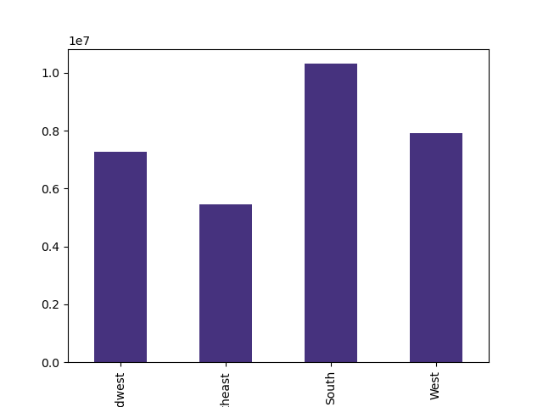
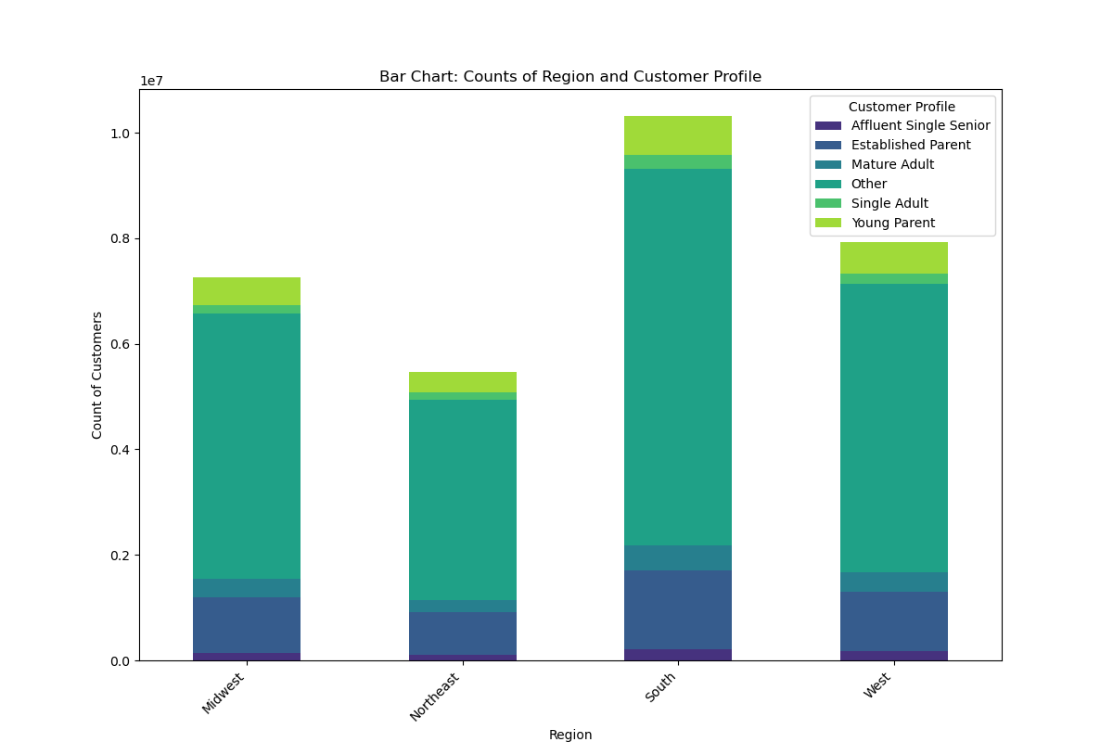
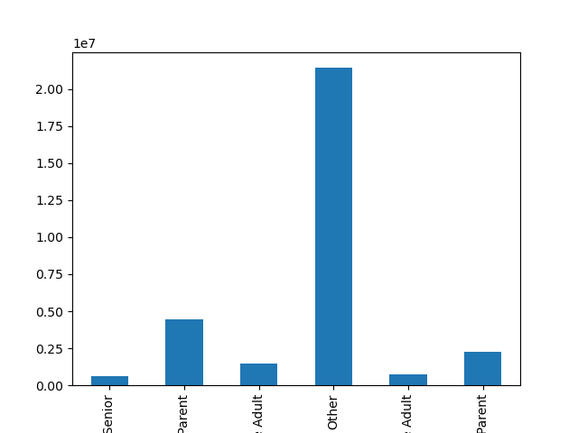
 | Title page

Visualisations

In this tab you should include all the visualtions from Exercises 4.9 and 4.10, alongside the questions from the project brief that they answer. Include any commentary on the relationship between different variables.

The sales team needs to know what the busiest days of the week and hours of the day are (i.e., the days and times with the most orders) in order to schedule ads at times when there are fewer orders
They also want to know whether there are particular times of the day when people spend the most money, as this might inform the type of products they advertise at these times.
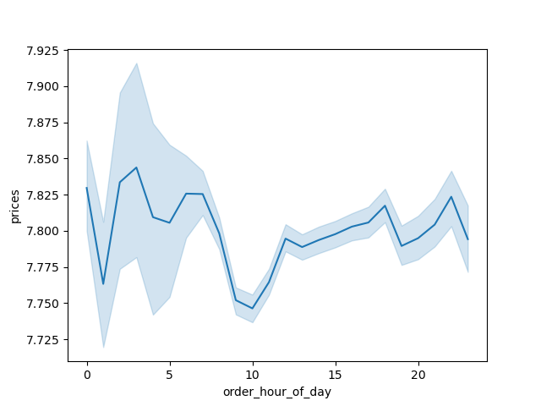

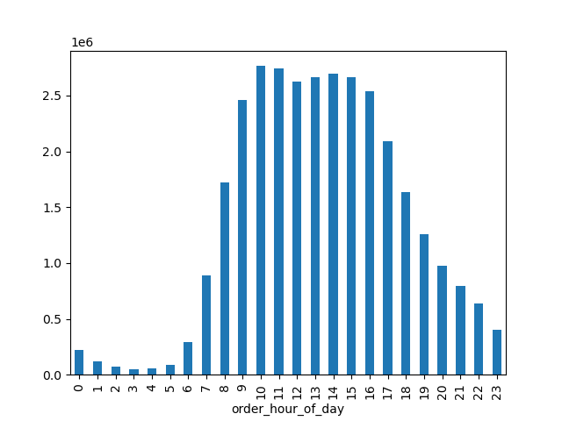
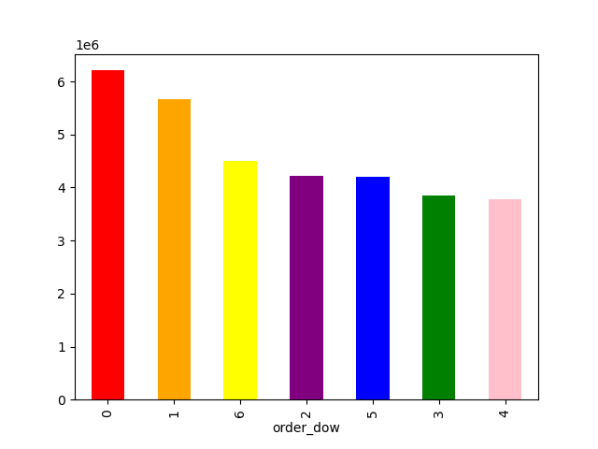

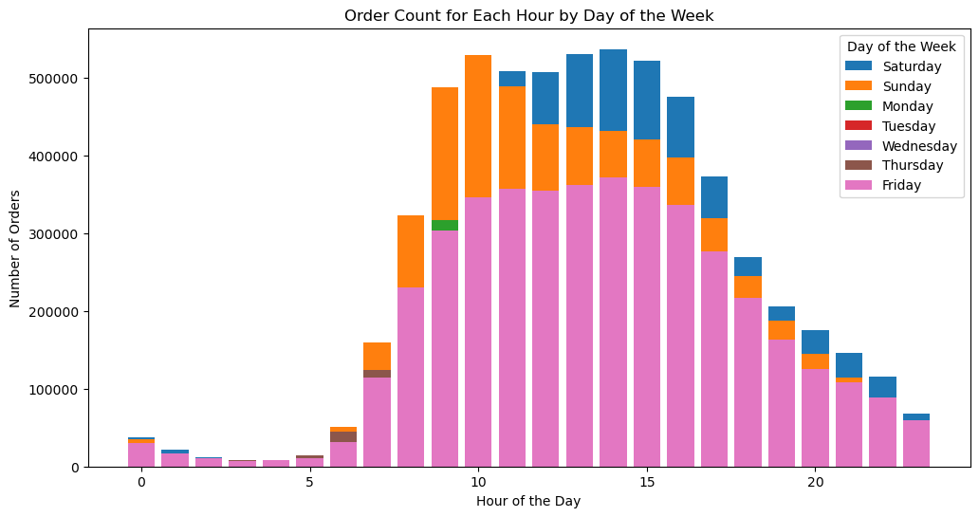
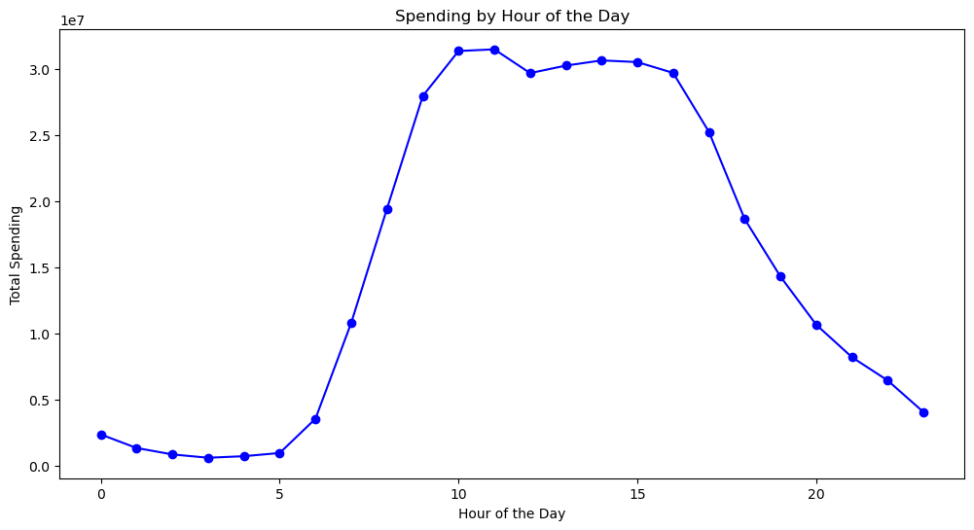

Income vs Age:



 |  | Age Vs Number of Dependent

Are there certain types of products that are more popular than others? The marketing and sales teams want to know which departments have the highest frequency of product orders.
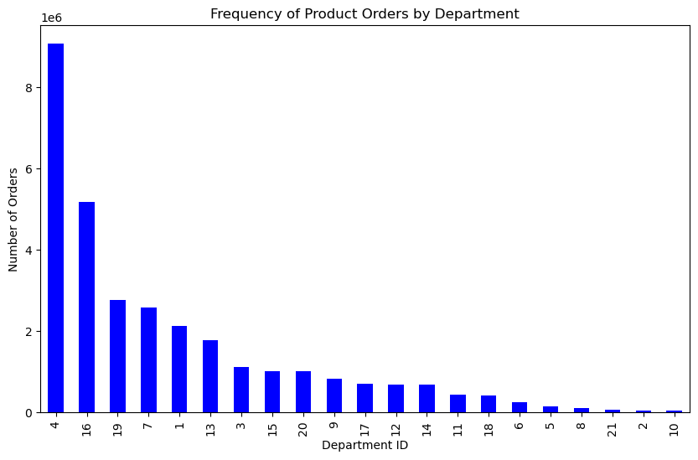
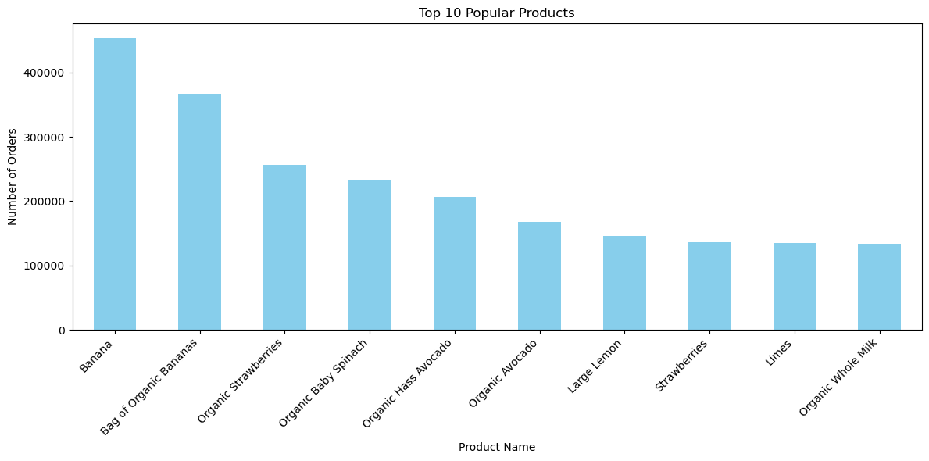

The marketing and sales teams are particularly interested in the different types of customers in their system and how their ordering behaviors differ

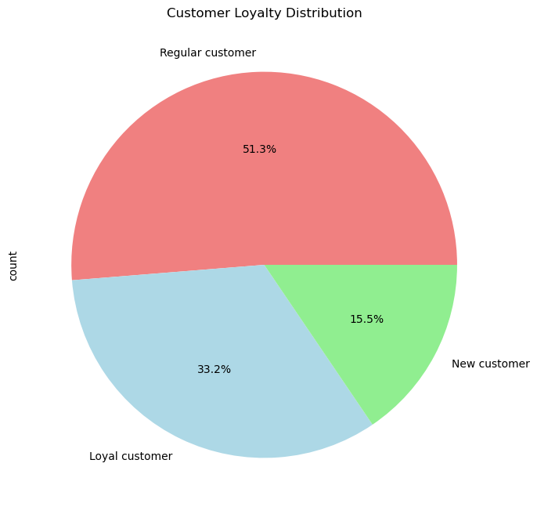
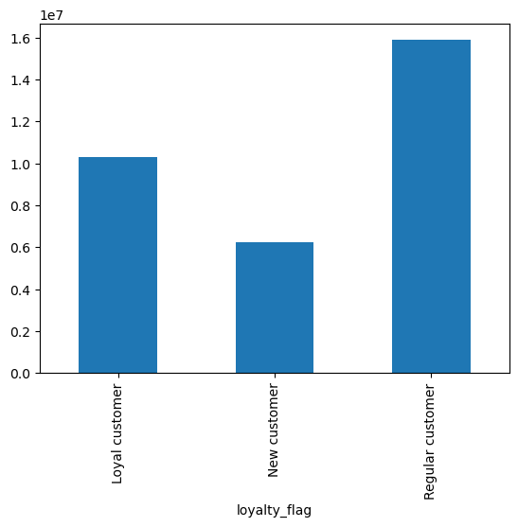

Are there differences in ordering habits based on a customer's region?

7. Recommendations
 |  | Title page

Recommendations

In this tab you should include any recommendations you would made to Instcart in terms of their marketing strategy based on the questions posed in the brief. Every key question has been covered in the Tasks of the Exercises - here you need to add an item - a visualisation or table/crosstable that is showing the answer in the data, acompanied by a comment from you. Please, list the questions below and add the answer underneath.

Question | Answer
Key Question 1
The sales team needs to know what the busiest days of the week and hours of the day are (i.e., the days and times with the most orders) in order to schedule ads at times when there are fewer orders. | The days with the highest order volume each week are Sundays and Mondays, while the peak hours for orders occur between 9 a.m. and 5 p.m., with the most uptick between 10 a.m. and 12 p.m. To optimize advertising effectiveness, consider promoting ads during key periods when customers engage in extensive grocery shopping. Increase ad visibility on Saturday evenings and Sunday mornings, aligning with the time when individuals plan their weekly grocery needs. Additionally, schedule weekly ads to coincide with the peak ordering hours.
Key Question 2
They also want to know whether there are particular times of the day when people spend the most money, as this might inform the type of products they advertise at these times. | People spend the most money per order between 9 p.m. and 8 a.m.
Key Question 3
Instacart has a lot of products with different price tags. Marketing and sales want to use simpler price range groupings to help direct their efforts. | Most things are priced at or below $15. To make it easier for customers, we suggest using simple price ranges like $1-5, $6-10, $11-15, and anything above $15. This matches what most people usually spend. Things that cost more than $16 can be put in a separate category since they're not bought as often.
Key Question 4
Are there certain types of products that are more popular than others? The marketing and sales teams want to know which departments have the highest frequency of product orders. | The top 5 departments for order frequency are: * produce * dairy/eggs * snacks * beverages * frozen The produce department consistently receives the highest number of orders by a significant margin, followed closely by the dairy/eggs department, which also experiences a substantial volume of orders.
Key Question 5
The marketing and sales teams are particularly interested in the different types of customers in their system and how their ordering behaviors differ | The Loyalty_flag helps us identify "brand loyal consumers" by looking at their order history. People who have made 40 orders or more are classified as loyal customers. Those with more than 10 but fewer than 40 orders are considered regular customers. If someone has fewer than 10 orders, they're seen as new to the platform. Customers with a moderate number of orders tend to use Instacart more in the morning and show higher sales activity mid-week. Encouraging new Instacart users to become regular customers could really boost sales during slower times of the week and specific times of the day.
Key Question 6
Are there differences in ordering habits based on a customer's region? | T-statistic: -7.572509872684526 P-value: 0.00027559695213604695 Assumption: Null hypothesis (H0): There is no difference in the mean spending between the U.S. regions. Alternative hypothesis (H1): There is a difference in the mean spending between the U.S. regions. T-test: T-statistic: -7.57 P-value: 0.00028 The low p-value (< 0.05) in the t-test also indicates that there is a significant difference in mean spending between the U.S. regions. The evidence suggests that there is a statistically significant difference in spending habits among the different U.S. regions.

